=
Month | funding_period
january | 1
february | 0
march | 20
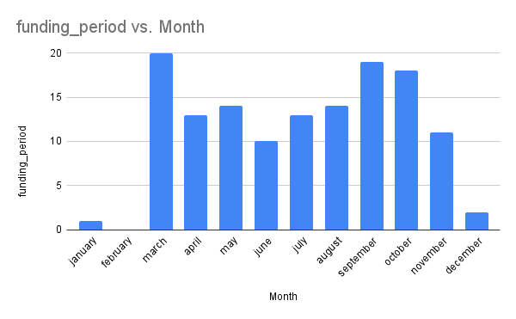
april | 13
may | 14
june | 10
july | 13
august | 14
september | 19
october | 18
november | 11
december | 2

